leukaemia_aml_m17
Acute Myeloid Leukaemia (C92.0, C92.4, C92.5, C92.6, C92.8, C93.0, C94.0, C94.2): 2015-2017

Average Number of Deaths Per Year and Age-Specific Mortality Rates per 100,000 Population, UK

Age Range | Female Deaths | Male Deaths | Female Rates | Male Rates
0 to 04 | 4 | 5 | 0.2 | 0.3
05 to 09 | 2 | 3 | 0.1 | 0.1
10 to 14 | 4 | 3 | 0.2 | 0.2
15 to 19 | 4 | 4 | 0.2 | 0.2
20 to 24 | 5 | 6 | 0.2 | 0.3
25 to 29 | 7 | 7 | 0.3 | 0.3
30 to 34 | 10 | 8 | 0.5 | 0.4
35 to 39 | 9 | 7 | 0.4 | 0.4
40 to 44 | 14 | 14 | 0.6 | 0.7
45 to 49 | 25 | 20 | 1.1 | 0.9
50 to 54 | 27 | 47 | 1.1 | 2.1
55 to 59 | 48 | 60 | 2.3 | 3.0
60 to 64 | 72 | 101 | 4.0 | 5.8
65 to 69 | 108 | 185 | 5.9 | 10.7
70 to 74 | 159 | 265 | 10.5 | 19.2
75 to 79 | 173 | 287 | 14.8 | 28.9
80 to 84 | 192 | 262 | 21.0 | 37.7
85 to 89 | 146 | 166 | 23.8 | 43.6
90+ | 79 | 60 | 19.9 | 34.8
All Ages | 1,087 | 1,512 | 3.2 | 5.6

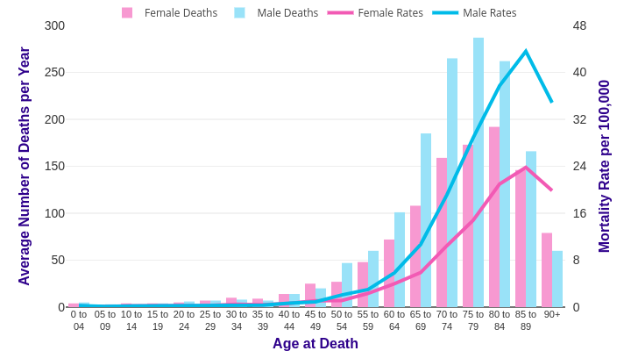

Source: cruk.org/cancerstats

You are welcome to reuse this Cancer Research UK statistics content for your own work.
Credit us as authors by referencing Cancer Research UK as the source.
Suggested style: Cancer Research UK, full URL of the page, Accessed [month] [year].

